Sheet1
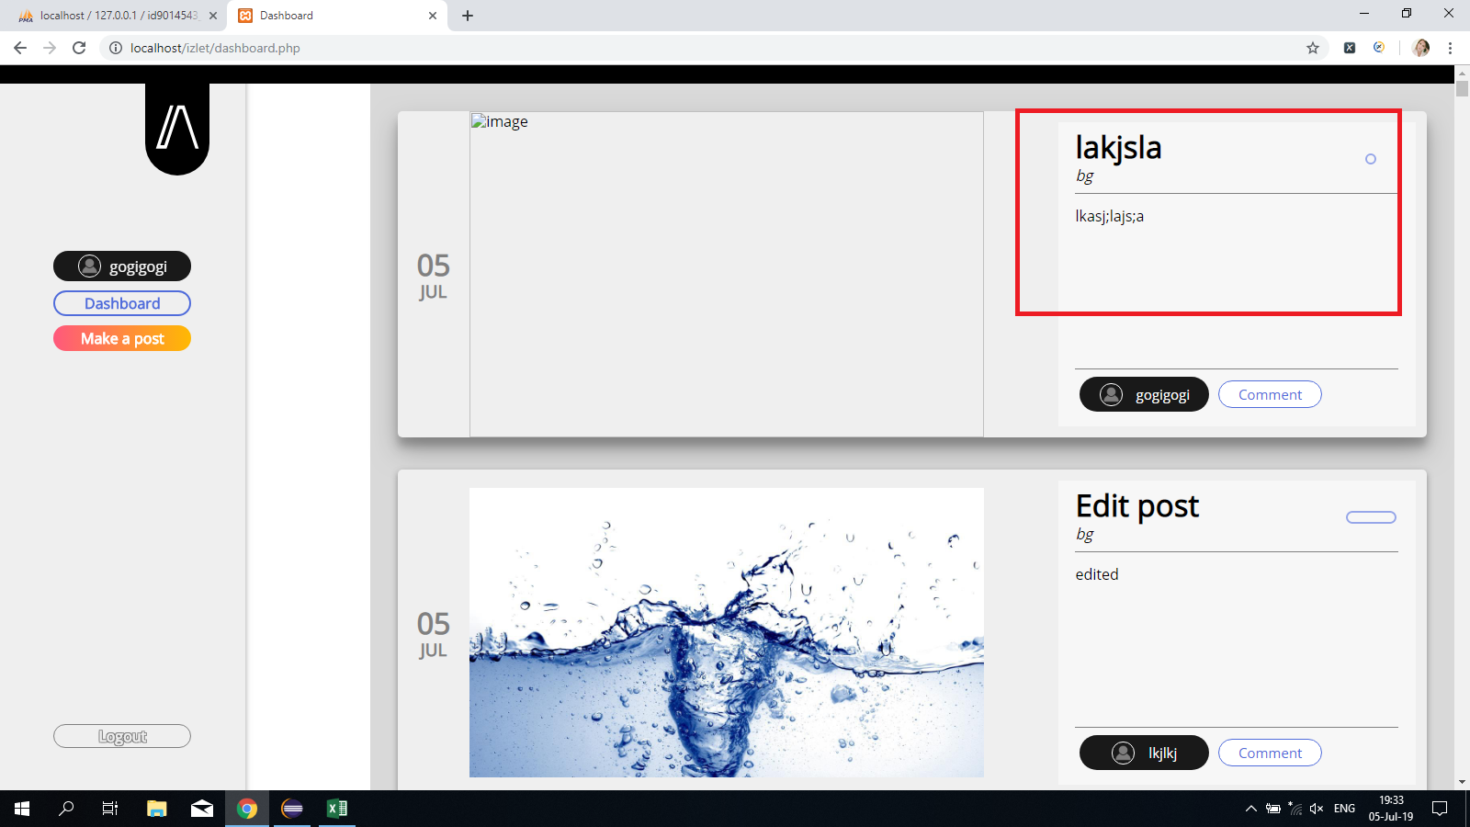
Category | Label | Value1 | Value2 | Value3 | Value4 | Value5 | Value6 | Value7 | Value8 | Value8 | Value8 | Value8 | Value8
Bug ID | ID number | 1 | 2 | 3 | 4 | 5 | 6 | 7 | 8 | 9 | 10 | 11 | 12
 | Name | Different languages | Gallery link doesn't work | Registration (null field error) | Registration (confirmation) | Registration (email format) | Registration (boundary values, allowed characters) | Dashboard (back to home page) | Posting (missing edit/delete options) | Posting (add comment) | Posting (edit/delete comment) | Posting (profile) | Posting (year)
 | Reporter | Katerina Zoraja | Katerina Zoraja | Katerina Zoraja | Katerina Zoraja | Katerina Zoraja | Katerina Zoraja | Katerina Zoraja | Katerina Zoraja | Katerina Zoraja | Katerina Zoraja | Katerina Zoraja | Katerina Zoraja
 | Submit Date | 05.07.2019 | 05.07.2019 | 05.07.2019 | 05.07.2019 | 05.07.2019 | 05.07.2019 | 05.07.2019 | 05.07.2019 | 05.07.2019 | 05.07.2019 | 05.07.2019 | 05.07.2019
Bug overview | Relates to | Home page | Home page | Home page | Home page | Home page | Home page | Dashboard | Dashboard | Dashboard | Dashboard | Dashboard | Dashboard
 | Screenshot | - | - | - | - | - | - | - | prtnscr attached | prtnscr attached
Environment | Platform | Java | Java | Java | Java | Java | Java | Java | Java | Java | Java | Java | Java
 | Operating System | Windows 10 | Windows 10 | Windows 10 | Windows 10 | Windows 10 | Windows 10 | Windows 10 | Windows 10 | Windows 10 | Windows 10 | Windows 10 | Windows 10
 | Browser | Chrome | Chrome | Chrome | Chrome | Chrome | Chrome | Chrome | Chrome | Chrome | Chrome | Chrome | Chrome
Bug details | Steps to reproduce | 1. Go to www.localhost/izlet/ 2. Verify text on the page | 1. Go to www.localhost/izlet/ 2. Locate Gallery link on the top left corner | 1. Go to www.localhost/izlet/ 2. Go to registration form 3. Input only email | 1. Go to www.localhost/izlet/ 2. Go to registration form 3. Fill any field 4. Click Register button | 1. Go to www.localhost/izlet/ 2. Go to registration form 3. Input email w@ww 4. Click Register button | 1. Go to www.localhost/izlet/ 2. Go to registration form 3. Input any data 4. Click Register button | 1. Go to www.localhost/izlet/dashboardphp 2. Go to registration form 3. Log in | 1. Go to www.localhost/izlet/dashboardphp 2. Go to registration form 3. Log in 4. Write a post | 1. Go to www.localhost/izlet/dashboardphp 2. Go to registration form 3. Log in 4. Write a post | 1. Go to www.localhost/izlet/dashboardphp 2. Go to registration form 3. Log in 4. Write a post | 1. Go to www.localhost/izlet/dashboardphp 2. Go to registration form 3. Log in | 1. Go to www.localhost/izlet/dashboardphp 2. Go to registration form 3. Log in
 | Expected result | Common language through the website | Link is clickable and redirects to gallery | If mandatory fileds are empty, error message should appear | System informs user whether registration was successful or failed | Incorrect email format warning is missing | System warns user if values doesn't match | Go to home page button without log out | Edit/delete options are visible and clickable | Comment is visible | Edit/delete of comment options are visible and clickable | Profiles of other users are visible | Year is visible along with date
 | Actual result | Different languages | Link doesn't work | No pop up message | Nothing happens | System doesn't inform user about incorrect email format | No warning is visible | User should first log out and then home page appears | No edit/delete options are visible | Confirmation of successfully added comment appears but no comment visible | No edit/delete for comment options are visible | Nothing happens when click on someone's profile | Only day and month are visible
 | Description | Serbian language is used for header, Galerija link, O nama; English language is used for title, Log in, Registration, Contact Us buttons; Latin is used for text box section | Galerija is located on ahome page and should rdirect user to picture gallery | If any mandatory filed left blank system should warn user | If registration is failed due to some data missing system should give message. Also, system should inform user if registration succedded | if email format is incorrect user should be informed | In case if user input doesn't correspond to estimated values, system should give warning | User should be able to stay logged in in order to navigate through website | User should be able to edit/delete post | Comment appears in post | User should be able to edit/delete comment | User should be able to see other prifiles | Yeay should be visible in every post
Bug tracking | Severity | low | high | high | high | high | high | medium | high | high | high | medium | medium
 | Assigned to | Dusan Bobicic | Dusan Bobicic | Dusan Bobicic | Dusan Bobicic | Dusan Bobicic | Dusan Bobicic | Dusan Bobicic | Dusan Bobicic | Dusan Bobicic | Dusan Bobicic | Dusan Bobicic | Dusan Bobicic
 | Priority | medium | high | high | high | high | high | medium | high | high | high | medium | medium
Notes | Notes

